Shunt Calculator
Sensor Information
Capacity
Units
mV/V output
Bridge Resistance

Use below to enter a mV/V desired, or load amount desired, to find a resistance to produce those levels.

 | mV/V desired | Need resistance of: | #DIV/0! | ohms
 | desired | Need resistance of: | #DIV/0! | Ohms

Use the below to find the output due to a resisance in mV/V terms and load terms:
Shunt Resistance |  | Ohms
Resulting mV/V | #DIV/0! | mV/V
Resulting Load | #DIV/0! | 0

Online calibration informaiton for sensors may be abailable here.

Support information is available here.

Definition of mV/V:
FUTEK non-amplified sensors are expressed in terms of milivolts per volt output. This is the electical output when the sensor is loaded to capacity expressed for every one volt supplied to the sensor.
Example: A 2mV/V sensor with 10V excitation and 100lb capacity would have an output of 0 to 20mV as the sensor was loaded from 0 to 100lbs.

How to Shunt
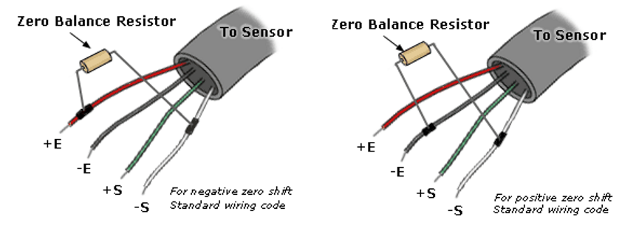
Information on how to connect a shunt:

Shunt can be connected between the -Excitation and -Signal to produce a positive shift in the sensor output as estimated in the calculator.
Shunt can help test the functionality and health of a sensor as well as used to produce an output to help setup ADC or PLC systems when it is not feesable to apply a fisical load to the sensor.
The sensor claibration certificaet may have information from a shunt test listing the shunt resistance used and the output it created.
Online calibration data may be available using the sensor serial number here.
https://www.futek.com/support/calibrationdata
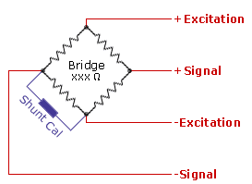

Using shunt as a zero balance adjustment:
A shunt resistor can also be used to shift a sensor's output closer to zero by the amount in the calculator. Note, some instrument and software will have a TARE function to mathmatically zero out any zero balance from a load cell.

